TestSummary
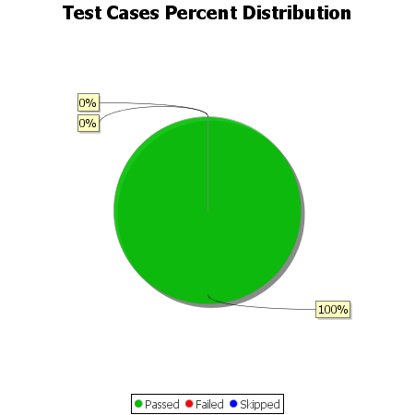
Total Test Cases | 9
Test Cases Passed | 9
Test Cases Failed | 0
Test Cases Skipped | 0

